Sheet1
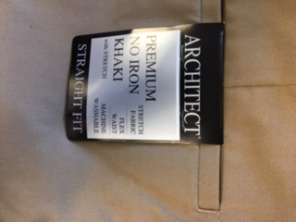
IMAGE | ITEM # | DISCRIPTION |  | FABRICATION | Case Pack | COLOR | SIZE | Units
 | NIS508 | BOSCOVS MENS FLAT FRONT PANT | Architect Premium No Iron Khaki Flex Waist Machine washable | 99% Cotton 1 % Spandex | 24 | BLACK | 29 29 | 75
 |  |  |  |  |  |  | 29 30 | 74
 |  |  |  |  |  |  | 30 29 | 38
 |  |  |  |  |  |  | 30 30 | 65
 |  |  |  |  |  |  | 30 32 | 40
 |  |  |  |  |  |  | 32 29 | 58
 |  |  |  |  |  |  | 32 30 | 124
 |  |  |  |  |  |  | 32 32 | 100
 |  |  |  |  |  |  | 34 29 | 125
 |  |  |  |  |  |  | 34 30 | 77
 |  |  |  |  |  |  | 34 32 | 97 | PRE TICKET $40.00
 |  |  |  |  |  |  | 36 29 | 181
 |  |  |  |  |  |  | 36 30 | 120
 |  |  |  |  |  |  | 36 32 | 155
 |  |  |  |  |  |  | 38 29 | 190
 |  |  |  |  |  |  | 38 30 | 104
 |  |  |  |  |  |  | 38 32 | 144
 |  |  |  |  |  |  | 40 29 | 132
 |  |  |  |  |  |  | 40 30 | 72
 |  |  |  |  |  |  | 40 32 | 50
 |  |  |  |  |  |  | 42 29 | 104
 |  |  |  |  |  |  | 42 30 | 45
 |  |  |  |  |  |  | 44 29 | 116
 |  |  |  |  |  |  | 44 30 | 69
 |  |  |  |  |  |  |  | 2355
 | NIS508 | BOSCOVS MENS FLAT FRONT PANT | Architect Premium No Iron Khaki Flex Waist Machine washable | 99% Cotton 1 % Spandex | 24 | CHARCOAL | 29 29 | 26
 |  |  |  |  |  |  | 29 30 | 29
 |  |  |  |  |  |  | 30 29 | 79
 |  |  |  |  |  |  | 30 30 | 83
 |  |  |  |  |  |  | 30 32 | 86
 |  |  |  |  |  |  | 32 29 | 87
 |  |  |  |  |  |  | 32 30 | 142
 |  |  |  |  |  |  | 32 32 | 120
 |  |  |  |  |  |  | 34 29 | 150 | PRE TICKET $40.00
 |  |  |  |  |  |  | 34 30 | 118
 |  |  |  |  |  |  | 34 32 | 104
 |  |  |  |  |  |  | 36 29 | 353
 |  |  |  |  |  |  | 36 30 | 227
 |  |  |  |  |  |  | 36 32 | 182
 |  |  |  |  |  |  | 38 29 | 308
 |  |  |  |  |  |  | 38 30 | 204
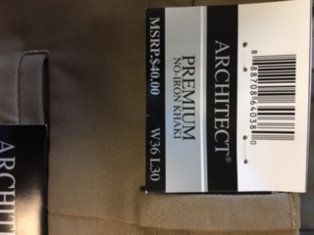
 |  |  |  |  |  |  | 38 32 | 180
 |  |  |  |  |  |  | 40 29 | 234
 |  |  |  |  |  |  | 40 30 | 130
 |  |  |  |  |  |  | 40 32 | 109
 |  |  |  |  |  |  | 42 29 | 146
 |  |  |  |  |  |  | 42 30 | 119
 |  |  |  |  |  |  | 44 29 | 214
 |  |  |  |  |  |  | 44 30 | 124
 |  |  |  |  |  |  |  | 3554
 | NIS508 | BOSCOVS MENS FLAT FRONT PANT | Architect Premium No Iron Khaki Flex Waist Machine washable | 99% Cotton 1 % Spandex | 24 | KHAKI | 29 29 | 50
 |  |  |  |  |  |  | 29 30 | 25
 |  |  |  |  |  |  | 30 29 | 75
 |  |  |  |  |  |  | 30 30 | 74
 |  |  |  |  |  |  | 30 32 | 50
 |  |  |  |  |  |  | 32 29 | 83
 |  |  |  |  |  |  | 32 30 | 153
 |  |  |  |  |  |  | 32 32 | 104
 |  |  |  |  |  |  | 34 29 | 173
 |  |  |  |  |  |  | 34 30 | 167 | PRE TICKET $40.00
 |  |  |  |  |  |  | 34 32 | 155
 |  |  |  |  |  |  | 36 29 | 194
 |  |  |  |  |  |  | 36 30 | 142
 |  |  |  |  |  |  | 36 32 | 171
 |  |  |  |  |  |  | 38 29 | 179
 |  |  |  |  |  |  | 38 30 | 157
 |  |  |  |  |  |  | 38 32 | 125
 |  |  |  |  |  |  | 40 29 | 118
 |  |  |  |  |  |  | 40 30 | 93
 |  |  |  |  |  |  | 40 32 | 88
 |  |  |  |  |  |  | 42 29 | 128
 |  |  |  |  |  |  | 42 30 | 121
 |  |  |  |  |  |  | 44 29 | 150
 |  |  |  |  |  |  | 44 30 | 105
 |  |  |  |  |  |  |  | 2880
 | NIS508 | BOSCOVS MENS FLAT FRONT PANT | Architect Premium No Iron Khaki Flex Waist Machine washable | 99% Cotton 1 % Spandex | 24 | STONE | 30 29 | 10
 |  |  |  |  |  |  | 30 30 | -14
 |  |  |  |  |  |  | 30 32 | -14
 |  |  |  |  |  |  | 32 29 | 3
 |  |  |  |  |  |  | 32 30 | 61
 |  |  |  |  |  |  | 32 32 | 41
 |  |  |  |  |  |  | 34 29 | 70
 |  |  |  |  |  |  | 34 30 | 59
 |  |  |  |  |  |  | 34 32 | 90
 |  |  |  |  |  |  | 36 29 | 201
 |  |  |  |  |  |  | 36 30 | 57 | PRE TICKET $40.00
 |  |  |  |  |  |  | 36 32 | 22
 |  |  |  |  |  |  | 38 29 | 98
 |  |  |  |  |  |  | 38 30 | 68
 |  |  |  |  |  |  | 38 32 | 18
 |  |  |  |  |  |  | 40 29 | 122
 |  |  |  |  |  |  | 40 30 | 34
 |  |  |  |  |  |  | 40 32 | 32
 |  |  |  |  |  |  | 42 29 | 89
 |  |  |  |  |  |  | 42 30 | 48
 |  |  |  |  |  |  | 44 29 | 97
 |  |  |  |  |  |  | 44 30 | 61
 |  |  |  |  |  |  |  | 1253
 | NIS508 | BOSCOVS MENS FLAT FRONT PANT | Architect Premium No Iron Khaki Flex Waist Machine washable | 99% Cotton 1 % Spandex | 24 | TAN | 29 29 | 98
 |  |  |  |  |  |  | 29 30 | 75
 |  |  |  |  |  |  | 30 29 | 36
 |  |  |  |  |  |  | 30 30 | 49
 |  |  |  |  |  |  | 30 32 | 36
 |  |  |  |  |  |  | 32 29 | 113
 |  |  |  |  |  |  | 32 30 | 185
 |  |  |  |  |  |  | 32 32 | 84
 |  |  |  |  |  |  | 34 29 | 300
 |  |  |  |  |  |  | 34 30 | 179
 |  |  |  |  |  |  | 34 32 | 143 | PRE TICKET $40.00
 |  |  |  |  |  |  | 36 29 | 214
 |  |  |  |  |  |  | 36 30 | 212
 |  |  |  |  |  |  | 36 32 | 157
 |  |  |  |  |  |  | 38 29 | 209
 |  |  |  |  |  |  | 38 30 | 169
 |  |  |  |  |  |  | 38 32 | 153
 |  |  |  |  |  |  | 40 29 | 130
 |  |  |  |  |  |  | 40 30 | 73
 |  |  |  |  |  |  | 40 32 | 69
 |  |  |  |  |  |  | 42 29 | 154
 |  |  |  |  |  |  | 42 30 | 87
 |  |  |  |  |  |  | 44 29 | 138
 |  |  |  |  |  |  | 44 30 | 60
 |  |  |  |  |  |  |  | 3123
 | NIS906 | BOSCOVS MENS PLEATED EXTENDER PANT | Architect Premium No Iron Khaki Extender Waist Machine Washable | 99% Cotton 1 % Spandex | 24 | BLACK | 34 29 | 2
 |  |  |  |  |  |  | 34 30 | 20
 |  |  |  |  |  |  | 34 32 | 48
 |  |  |  |  |  |  | 36 29 | 67
 |  |  |  |  |  |  | 36 30 | 84
 |  |  |  |  |  |  | 36 32 | 166
 |  |  |  |  |  |  | 36 34 | 29
 |  |  |  |  |  |  | 38 29 | 35 | PRE TICKET $40.00
 |  |  |  |  |  |  | 38 30 | 102
 |  |  |  |  |  |  | 38 32 | 68
 |  |  |  |  |  |  | 38 34 | 2
 |  |  |  |  |  |  | 40 29 | 6
 |  |  |  |  |  |  | 40 30 | 38
 |  |  |  |  |  |  | 40 32 | 46
 |  |  |  |  |  |  | 42 29 | 75
 |  |  |  |  |  |  | 42 30 | 23
 |  |  |  |  |  |  | 42 32 | 52
 |  |  |  |  |  |  | 44 29 | 56
 |  |  |  |  |  |  | 44 30 | 26
 |  |  |  |  |  |  |  | 945
 | NIS906 | BOSCOVS MENS PLEATED EXTENDER PANT | Architect Premium No Iron Khaki Extender Waist Machine Washable | 99% Cotton 1 % Spandex | 24 | CHARCOAL | 34 30 | 27
 |  |  |  |  |  |  | 34 32 | 60
 |  |  |  |  |  |  | 36 29 | 88
 |  |  |  |  |  |  | 36 30 | 37
 |  |  |  |  |  |  | 36 32 | 115
 |  |  |  |  |  |  | 36 34 | 13
 |  |  |  |  |  |  | 38 29 | 135
 |  |  |  |  |  |  | 38 30 | 129
 |  |  |  |  |  |  | 38 32 | 130 | PRE TICKET $40.00
 |  |  |  |  |  |  | 38 34 | 7
 |  |  |  |  |  |  | 40 29 | 131
 |  |  |  |  |  |  | 40 30 | 84
 |  |  |  |  |  |  | 40 32 | 36
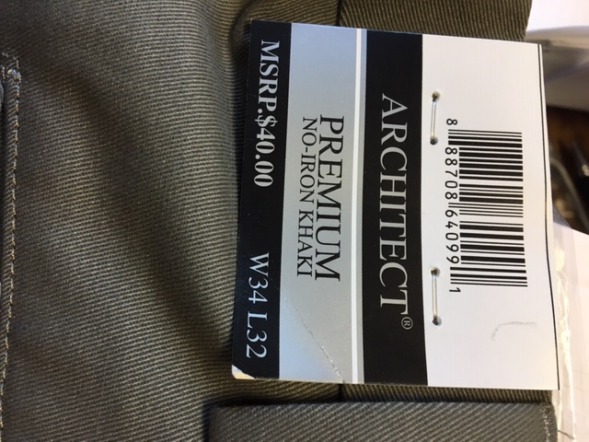
 |  |  |  |  |  |  | 42 29 | 122
 |  |  |  |  |  |  | 42 30 | 22
 |  |  |  |  |  |  | 42 32 | 95
 |  |  |  |  |  |  | 44 29 | 107
 |  |  |  |  |  |  | 44 30 | 59
 |  |  |  |  |  |  |  | 1397
 | NIS906 | BOSCOVS MENS PLEATED EXTENDER PANT | Architect Premium No Iron Khaki Extender Waist Machine Washable | 99% Cotton 1 % Spandex | 24 | KHAKI | 32 29 | 1
 |  |  |  |  |  |  | 34 29 | 40
 |  |  |  |  |  |  | 34 30 | 25
 |  |  |  |  |  |  | 34 32 | 63
 |  |  |  |  |  |  | 36 29 | 82
 |  |  |  |  |  |  | 36 30 | 66
 |  |  |  |  |  |  | 36 32 | 112
 |  |  |  |  |  |  | 36 34 | 17
 |  |  |  |  |  |  | 38 29 | 124 | PRE TICKET $40.00
 |  |  |  |  |  |  | 38 30 | 141
 |  |  |  |  |  |  | 38 32 | 110
 |  |  |  |  |  |  | 38 34 | 25
 |  |  |  |  |  |  | 40 29 | 39
 |  |  |  |  |  |  | 40 30 | 75
 |  |  |  |  |  |  | 40 32 | 27
 |  |  |  |  |  |  | 42 29 | 51
 |  |  |  |  |  |  | 42 30 | 46
 |  |  |  |  |  |  | 42 32 | 40
 |  |  |  |  |  |  | 44 29 | 38
 |  |  |  |  |  |  | 44 30 | 26
 |  |  |  |  |  |  |  | 1148
 | NIS906 | BOSCOVS MENS PLEATED EXTENDER PANT | Architect Premium No Iron Khaki Extender Waist Machine Washable | 99% Cotton 1 % Spandex | 24 | NAVY | 34 29 | 65
 |  |  |  |  |  |  | 34 30 | 76
 |  |  |  |  |  |  | 34 32 | 83
 |  |  |  |  |  |  | 36 29 | 69
 |  |  |  |  |  |  | 36 30 | 96
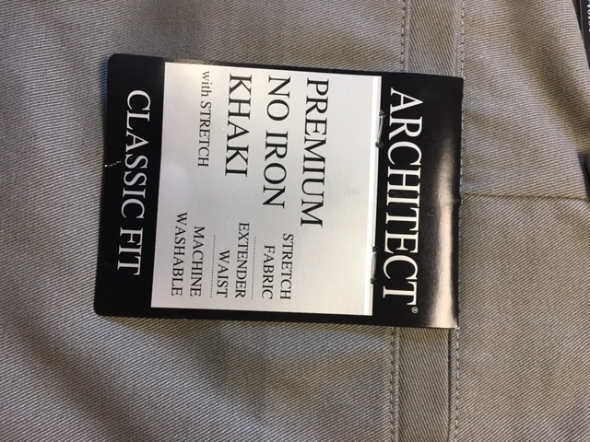
 |  |  |  |  |  |  | 36 32 | 125
 |  |  |  |  |  |  | 36 34 | 10
 |  |  |  |  |  |  | 38 29 | 127 | PRE TICKET $40.00
 |  |  |  |  |  |  | 38 30 | 100
 |  |  |  |  |  |  | 38 32 | 64
 |  |  |  |  |  |  | 38 34 | 1
 |  |  |  |  |  |  | 40 29 | 95
 |  |  |  |  |  |  | 40 30 | 54
 |  |  |  |  |  |  | 40 32 | 4
 |  |  |  |  |  |  | 42 29 | 55
 |  |  |  |  |  |  | 42 30 | 13
 |  |  |  |  |  |  | 42 32 | 5
 |  |  |  |  |  |  | 44 29 | 53
 |  |  |  |  |  |  | 44 30 | 21
 |  |  |  |  |  |  |  | 1116
 | NIS906 | BOSCOVS MENS PLEATED EXTENDER PANT | Architect Premium No Iron Khaki Extender Waist Machine Washable | 99% Cotton 1 % Spandex | 24 | STONE | 32 29 | 45
 |  |  |  |  |  |  | 32 30 | 8
 |  |  |  |  |  |  | 32 32 | 38
 |  |  |  |  |  |  | 34 29 | 23
 |  |  |  |  |  |  | 34 30 | 5
 |  |  |  |  |  |  | 34 32 | 8
 |  |  |  |  |  |  | 36 29 | 23
 |  |  |  |  |  |  | 36 30 | 18
 |  |  |  |  |  |  | 36 32 | 43
 |  |  |  |  |  |  | 36 34 | 32 | PRE TICKET $40.00
 |  |  |  |  |  |  | 38 29 | 12
 |  |  |  |  |  |  | 38 30 | 27
 |  |  |  |  |  |  | 38 32 | 34
 |  |  |  |  |  |  | 38 34 | 17
 |  |  |  |  |  |  | 40 29 | 21
 |  |  |  |  |  |  | 40 30 | 32
 |  |  |  |  |  |  | 40 32 | 14
 |  |  |  |  |  |  | 42 29 | 64
 |  |  |  |  |  |  | 42 30 | 37
 |  |  |  |  |  |  | 42 32 | 11
 |  |  |  |  |  |  | 44 29 | 35
 |  |  |  |  |  |  | 44 30 | 34
 |  |  |  |  |  |  |  | 581
 | NIS906 | BOSCOVS MENS PLEATED EXTENDER PANT | Architect Premium No Iron Khaki Extender Waist Machine Washable | 99% Cotton 1 % Spandex | 24 | TAN | 32 30 | 2
 |  |  |  |  |  |  | 34 29 | 59
 |  |  |  |  |  |  | 34 30 | 59
 |  |  |  |  |  |  | 34 32 | 111
 |  |  |  |  |  |  | 36 29 | 169
 |  |  |  |  |  |  | 36 30 | 161
 |  |  |  |  |  |  | 36 32 | 121
 |  |  |  |  |  |  | 36 34 | 58
 |  |  |  |  |  |  | 38 29 | 168 | PRE TICKET $40.00
 |  |  |  |  |  |  | 38 30 | 74
 |  |  |  |  |  |  | 38 32 | 119
 |  |  |  |  |  |  | 38 34 | 47
 |  |  |  |  |  |  | 40 29 | 138
 |  |  |  |  |  |  | 40 30 | 94
 |  |  |  |  |  |  | 40 32 | 63
 |  |  |  |  |  |  | 42 29 | 135
 |  |  |  |  |  |  | 42 30 | 61
 |  |  |  |  |  |  | 42 32 | 63
 |  |  |  |  |  |  | 44 29 | 67
 |  |  |  |  |  |  | 44 30 | 86
 |  |  |  |  |  |  |  | 1855
 | NIS908 | BOSCOVS MENS PLEATED EXTENDER PANT | Architect Premium No Iron Khaki Extender Waist Machine Washable | 99% Cotton 1 % Spandex | 24 | BLACK | 32 29 | 48
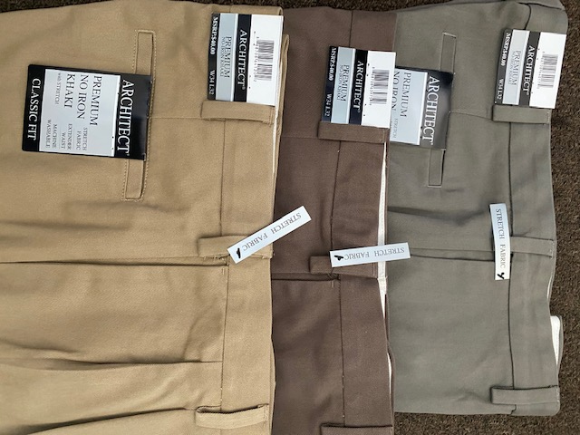
 |  |  |  |  |  |  | 32 30 | 55
 |  |  |  |  |  |  | 32 32 | 29
 |  |  |  |  |  |  | 34 29 | 107
 |  |  |  |  |  |  | 34 30 | 67
 |  |  |  |  |  |  | 34 32 | 71
 |  |  |  |  |  |  | 34 34 | 2
 |  |  |  |  |  |  | 36 29 | 248
 |  |  |  |  |  |  | 36 30 | 169
 |  |  |  |  |  |  | 36 32 | 128
 |  |  |  |  |  |  | 36 34 | 2 | PRE TICKET $40.00
 |  |  |  |  |  |  | 38 29 | 226
 |  |  |  |  |  |  | 38 30 | 168
 |  |  |  |  |  |  | 38 32 | 238
 |  |  |  |  |  |  | 38 34 | 2
 |  |  |  |  |  |  | 40 29 | 205
 |  |  |  |  |  |  | 40 30 | 135
 |  |  |  |  |  |  | 40 32 | 63
 |  |  |  |  |  |  | 40 34 | 20
 |  |  |  |  |  |  | 42 29 | 192
 |  |  |  |  |  |  | 42 30 | 200
 |  |  |  |  |  |  | 42 32 | 44
 |  |  |  |  |  |  | 44 29 | 198
 |  |  |  |  |  |  | 44 30 | 94
 |  |  |  |  |  |  |  | 2711
 | NIS908 | BOSCOVS MENS PLEATED EXTENDER PANT | Architect Premium No Iron Khaki Extender Waist Machine Washable | 99% Cotton 1 % Spandex | 24 | KHAKI | 32 29 | 14
 |  |  |  |  |  |  | 32 30 | 13
 |  |  |  |  |  |  | 32 32 | 7
 |  |  |  |  |  |  | 34 29 | 112
 |  |  |  |  |  |  | 34 30 | 61
 |  |  |  |  |  |  | 34 32 | 95
 |  |  |  |  |  |  | 34 34 | 5
 |  |  |  |  |  |  | 36 29 | 148
 |  |  |  |  |  |  | 36 30 | 140
 |  |  |  |  |  |  | 36 32 | 55 | PRE TICKET $40.00
 |  |  |  |  |  |  | 36 34 | 23
 |  |  |  |  |  |  | 38 29 | 213
 |  |  |  |  |  |  | 38 30 | 83
 |  |  |  |  |  |  | 38 32 | 107
 |  |  |  |  |  |  | 38 34 | 10
 |  |  |  |  |  |  | 40 29 | 230
 |  |  |  |  |  |  | 40 30 | 120
 |  |  |  |  |  |  | 40 32 | 49
 |  |  |  |  |  |  | 40 34 | 23
 |  |  |  |  |  |  | 42 29 | 199
 |  |  |  |  |  |  | 42 30 | 68
 |  |  |  |  |  |  | 42 32 | 84
 |  |  |  |  |  |  | 42 34 | 23
 |  |  |  |  |  |  | 44 29 | 90
 |  |  |  |  |  |  | 44 30 | 79
 |  |  |  |  |  |  | 44 32 | 21
 |  |  |  |  |  |  |  | 2072
 | NIS908 | BOSCOVS MENS PLEATED EXTENDER PANT | Architect Premium No Iron Khaki Extender Waist Machine Washable | 99% Cotton 1 % Spandex | 24 | NAVY | 32 29 | 12
 |  |  |  |  |  |  | 32 30 | 44
 |  |  |  |  |  |  | 32 32 | 4
 |  |  |  |  |  |  | 34 29 | 120
 |  |  |  |  |  |  | 34 30 | 93
 |  |  |  |  |  |  | 34 32 | 121
 |  |  |  |  |  |  | 34 34 | 30
 |  |  |  |  |  |  | 36 29 | 253
 |  |  |  |  |  |  | 36 30 | 163
 |  |  |  |  |  |  | 36 32 | 56
 |  |  |  |  |  |  | 36 34 | 19 | PRE TICKET $40.00
 |  |  |  |  |  |  | 38 29 | 249
 |  |  |  |  |  |  | 38 30 | 114
 |  |  |  |  |  |  | 38 32 | 141
 |  |  |  |  |  |  | 38 34 | 11
 |  |  |  |  |  |  | 40 29 | 132
 |  |  |  |  |  |  | 40 30 | 166
 |  |  |  |  |  |  | 40 32 | 128
 |  |  |  |  |  |  | 40 34 | 15
 |  |  |  |  |  |  | 42 29 | 203
 |  |  |  |  |  |  | 42 30 | 149
 |  |  |  |  |  |  | 42 32 | 42
 |  |  |  |  |  |  | 42 34 | 16
 |  |  |  |  |  |  | 44 29 | 66
 |  |  |  |  |  |  | 44 30 | 61
 |  |  |  |  |  |  | 44 32 | 16
 |  |  |  |  |  |  |  | 2424
 | NIS908 | BOSCOVS MENS PLEATED EXTENDER PANT | Architect Premium No Iron Khaki Extender Waist Machine Washable | 99% Cotton 1 % Spandex | 24 | BROWN | 32 29 | 25
 |  |  |  |  |  |  | 32 30 | 27
 |  |  |  |  |  |  | 32 32 | 19
 |  |  |  |  |  |  | 34 29 | 1
 |  |  |  |  |  |  | 34 30 | 117
 |  |  |  |  |  |  | 34 32 | 58
 |  |  |  |  |  |  | 34 34 | 8
 |  |  |  |  |  |  | 36 29 | 207
 |  |  |  |  |  |  | 36 30 | 175
 |  |  |  |  |  |  | 36 32 | 54
 |  |  |  |  |  |  | 36 34 | 12 | PRE TICKET $40.00
 |  |  |  |  |  |  | 38 29 | 154
 |  |  |  |  |  |  | 38 30 | 169
 |  |  |  |  |  |  | 38 32 | 94
 |  |  |  |  |  |  | 38 34 | 19
 |  |  |  |  |  |  | 40 29 | 228
 |  |  |  |  |  |  | 40 30 | 126
 |  |  |  |  |  |  | 40 32 | 89
 |  |  |  |  |  |  | 42 29 | 191
 |  |  |  |  |  |  | 42 30 | 111
 |  |  |  |  |  |  | 42 32 | 48
 |  |  |  |  |  |  | 42 34 | 6
 |  |  |  |  |  |  | 44 29 | 90
 |  |  |  |  |  |  | 44 30 | 22
 |  |  |  |  |  |  | 44 32 | 31
 |  |  |  |  |  |  |  | 2081
 | NIS908 | BOSCOVS MENS PLEATED EXTENDER PANT | Architect Premium No Iron Khaki Extender Waist Machine Washable | 99% Cotton 1 % Spandex | 24 | STONE | 32 30 | 25
 |  |  |  |  |  |  | 32 32 | 31
 |  |  |  |  |  |  | 34 29 | 83
 |  |  |  |  |  |  | 34 30 | 51
 |  |  |  |  |  |  | 34 32 | 39
 |  |  |  |  |  |  | 34 34 | 15
 |  |  |  |  |  |  | 36 29 | 73
 |  |  |  |  |  |  | 36 30 | 46
 |  |  |  |  |  |  | 36 32 | 36
 |  |  |  |  |  |  | 36 34 | 38 | PRE TICKET $40.00
 |  |  |  |  |  |  | 38 29 | 22
 |  |  |  |  |  |  | 38 30 | 16
 |  |  |  |  |  |  | 38 32 | 35
 |  |  |  |  |  |  | 38 34 | 23
 |  |  |  |  |  |  | 40 29 | 69
 |  |  |  |  |  |  | 40 30 | 18
 |  |  |  |  |  |  | 40 32 | 0
 |  |  |  |  |  |  | 42 29 | 14
 |  |  |  |  |  |  | 42 30 | 51
 |  |  |  |  |  |  | 44 29 | 46
 |  |  |  |  |  |  | 44 30 | 7
 |  |  |  |  |  |  | 44 32 | 24
 |  |  |  |  |  |  |  | 762
 | NIS908 | BOSCOVS MENS PLEATED EXTENDER PANT | Architect Premium No Iron Khaki Extender Waist Machine Washable | 99% Cotton 1 % Spandex | 24 | TAN | 32 29 | 62
 |  |  |  |  |  |  | 32 30 | 137
 |  |  |  |  |  |  | 32 32 | 49
 |  |  |  |  |  |  | 34 29 | 197
 |  |  |  |  |  |  | 34 30 | 162
 |  |  |  |  |  |  | 34 32 | 98
 |  |  |  |  |  |  | 34 34 | 59
 |  |  |  |  |  |  | 36 29 | 362
 |  |  |  |  |  |  | 36 30 | 285
 |  |  |  |  |  |  | 36 32 | 161
 |  |  |  |  |  |  | 36 34 | 71
 |  |  |  |  |  |  | 38 29 | 299
 |  |  |  |  |  |  | 38 30 | 233 | PRE TICKET $40.00
 |  |  |  |  |  |  | 38 32 | 261
 |  |  |  |  |  |  | 38 34 | 5
 |  |  |  |  |  |  | 40 29 | 346
 |  |  |  |  |  |  | 40 30 | 212
 |  |  |  |  |  |  | 40 32 | 162
 |  |  |  |  |  |  | 40 34 | 1
 |  |  |  |  |  |  | 42 29 | 297
 |  |  |  |  |  |  | 42 30 | 162
 |  |  |  |  |  |  | 42 32 | 110
 |  |  |  |  |  |  | 42 34 | 12
 |  |  |  |  |  |  | 44 29 | 195
 |  |  |  |  |  |  | 44 30 | 165
 |  |  |  |  |  |  |  | 4103
 | NIS908 | BOSCOVS MENS PLEATED EXTENDER PANT | Architect Premium No Iron Khaki Extender Waist Machine Washable | 99% Cotton 1 % Spandex | 24 | OLIVE | 32 29 | 31
 |  |  |  |  |  |  | 32 30 | 9
 |  |  |  |  |  |  | 32 32 | 16
 |  |  |  |  |  |  | 34 29 | 68
 |  |  |  |  |  |  | 34 30 | 16
 |  |  |  |  |  |  | 34 32 | 18
 |  |  |  |  |  |  | 34 34 | 39
 |  |  |  |  |  |  | 36 29 | 111
 |  |  |  |  |  |  | 36 30 | 42
 |  |  |  |  |  |  | 36 32 | 126
 |  |  |  |  |  |  | 38 29 | 181
 |  |  |  |  |  |  | 38 30 | 59 | PRE TICKET $40.00
 |  |  |  |  |  |  | 38 32 | 72
 |  |  |  |  |  |  | 38 34 | 47
 |  |  |  |  |  |  | 40 29 | 151
 |  |  |  |  |  |  | 40 30 | 61
 |  |  |  |  |  |  | 40 32 | 29
 |  |  |  |  |  |  | 40 34 | 15
 |  |  |  |  |  |  | 42 29 | 143
 |  |  |  |  |  |  | 42 30 | 47
 |  |  |  |  |  |  | 42 32 | 6
 |  |  |  |  |  |  | 42 34 | 15
 |  |  |  |  |  |  | 44 29 | 37
 |  |  |  |  |  |  | 44 30 | 61
 |  |  |  |  |  |  | 44 32 | 15
 |  |  |  |  |  |  |  | 1415
 | NISB930 | BOSCOVS BIG MENS FF EXT PANTS | Architect Premium No Iron Khaki Extender Waist Machine Washable | 99% Cotton 1 % Spandex | 24 | BLACK | 46 29 | 100
 |  |  |  |  |  |  | 46 30 | 118
 |  |  |  |  |  |  | 46 32 | 9
 |  |  |  |  |  |  | 48 29 | 183 | PRE TICKET $40.00
 |  |  |  |  |  |  | 48 30 | 81
 |  |  |  |  |  |  | 48 32 | 11
 |  |  |  |  |  |  | 50 29 | 186
 |  |  |  |  |  |  | 50 30 | 4
 |  |  |  |  |  |  |  | 692
 | NISB930 | BOSCOVS BIG MENS FF EXT PANTS | Architect Premium No Iron Khaki Extender Waist Machine Washable | 99% Cotton 1 % Spandex | 24 | KHAKI | 46 29 | 278
 |  |  |  |  |  |  | 46 30 | 102
 |  |  |  |  |  |  | 46 32 | 129
 |  |  |  |  |  |  | 48 29 | 193 | PRE TICKET $40.00
 |  |  |  |  |  |  | 48 30 | 111
 |  |  |  |  |  |  | 48 32 | 24
 |  |  |  |  |  |  | 50 29 | 103
 |  |  |  |  |  |  | 50 30 | 76
 |  |  |  |  |  |  |  | 1016
 | NISB930 | BOSCOVS BIG MENS FF EXT PANTS | Architect Premium No Iron Khaki Extender Waist Machine Washable | 99% Cotton 1 % Spandex | 24 | NAVY | 46 29 | 198
 |  |  |  |  |  |  | 46 30 | 63
 |  |  |  |  |  |  | 46 32 | 65
 |  |  |  |  |  |  | 48 29 | 183 | PRE TICKET $40.00
 |  |  |  |  |  |  | 48 30 | 51
 |  |  |  |  |  |  | 48 32 | 16
 |  |  |  |  |  |  | 50 29 | 56
 |  |  |  |  |  |  | 50 30 | 21
 |  |  |  |  |  |  |  | 653
 | NISB930 | BOSCOVS MENS FF EXTENDER BM PANT | Architect Premium No Iron Khaki Extender Waist Machine Washable | 99% Cotton 1 % Spandex | 24 | STONE | 46 29 | 74
 |  |  |  |  |  |  | 46 30 | 57
 |  |  |  |  |  |  | 46 32 | 64
 |  |  |  |  |  |  | 48 29 | 51 | PRE TICKET $40.00
 |  |  |  |  |  |  | 48 30 | 48
 |  |  |  |  |  |  | 48 32 | 33
 |  |  |  |  |  |  | 50 29 | 22
 |  |  |  |  |  |  | 50 30 | 19
 |  |  |  |  |  |  |  | 368
 | NISB930 | BOSCOVS MENS FF EXTENDER BM PANT | Architect Premium No Iron Khaki Extender Waist Machine Washable | 99% Cotton 1 % Spandex | 24 | TAN | 46 29 | 275
 |  |  |  |  |  |  | 46 30 | 74
 |  |  |  |  |  |  | 46 32 | 55 | PRE TICKET $40.00
 |  |  |  |  |  |  | 48 29 | 189
 |  |  |  |  |  |  | 48 30 | 104
 |  |  |  |  |  |  | 48 32 | 7
 |  |  |  |  |  |  | 50 29 | 158
 |  |  |  |  |  |  |  | 862

